Sheet1
 |  |  |  |  |  | 2.1 LISTS |  |  |  | 2.1.1 TASKS |  |  |  | 2.1.2 TASKS |  |  |  | 2.1.3 TASKS
 | Notice: Models at the very end of |  |  |  |  | (Trip to the Netherlands) |  |  |  | (Must see!) |  |  |  | (One-day trips) |  |  |  | (….)
 | Assignment description for further details |  |  |  |  | < Back |  |  |  | < Back |  |  |  | < Back |  |  |  | < Back

 |  |  |  |  |  |  | Must see! |  |  |  | Van Gogh Museum |  |  |  | Sunflower fields |  |  |  | ….

 |  |  |  |  |  |  | One-day trips |  |  |  | Helicopter ride over Amsterdam |  |  |  | Rotterdam port |  |  |  | ….

 |  |  |  |  |  |  | …. |  |  |  | …. |  |  |  | …. |  |  |  | ….

 |  |  |  |  |  | New List |  | Modify List | Delete List | New Task | Modify Task | Move Task | Delete Task | New Task | Modify Task | Move Task | Delete Task | New Task | Modify Task | Move Task | Delete Task

0. APP OPENED |  | 1. BOARDS |  |  |  | 2.2 LISTS |  |  |  | 2.2.1 TASKS |  |  |  | 2.2.2 TASKS |  |  |  | 2.2.3 TASKS
 |  |  |  |  |  | (Boring Stuff) |  |  |  | (Backlog) |  |  |  | (In progress) |  |  |  | (Done)
 |  |  |  |  |  | < Back |  |  |  | < Back |  |  |  | < Back |  |  |  | < Back
 | Toddler
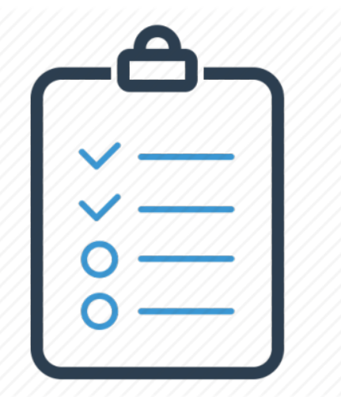
 |  |  | Trip to the Netherlands |  |  |  | Backlog |  |  |  | Take out trash |  |  |  | Do homework |  |  |  | Clean toilet

 |  |  | Boring Stuff |  |  |  | In progress |  |  |  | Haircut |  |  |  | Do laundry |  |  |  | ….

 |  |  | Bucket List |  |  |  | Done |  |  |  | Vacuum the living room |  |  |  | …. |  |  |  | ….

 |  | New Board |  | Modify Board | Delete Board | New List |  | Modify List | Delete List | New Task | Modify Task | Move Task | Delete Task | New Task | Modify Task | Move Task | Delete Task | New Task | Modify Task | Move Task | Delete Task

 |  |  |  |  |  | 2.3 LISTS |  |  |  | 2.3.1 TASKS |  |  |  | 2.3.2 TASKS |  |  |  | 2.3.3 TASKS
 |  |  |  |  |  | (Bucket List) |  |  |  | (Top 10) |  |  |  | (Top 10-20) |  |  |  | (Last)
 |  |  |  |  |  | < Back |  |  |  | < Back |  |  |  | < Back |  |  |  | < Back

 |  |  |  |  |  |  | Top 10 |  |  |  | Trip to the Moon |  |  |  | Buy a puppy! |  |  |  | Buy tickets for an NBA game

 |  |  |  |  |  |  | Top 10-20 |  |  |  | Scuba diving in the Caribbean |  |  |  | Trip to Japan |  |  |  | Road trip to USA

 |  |  |  |  |  |  | Last

 |  |  |  |  |  | New List |  | Modify List | Delete List | New Task | Modify Task | Move Task | Delete Task | New Task | Modify Task | Move Task | Delete Task | New Task | Modify Task | Move Task | Delete Task

